Q.6

 | 6. What is the syntax of the vlookup function? Explain the terms in it?

Vlookup | Syntax
 | =VLOOKUP (lookup_value, table_array, column_index_num, [range_lookup])

 | Arguments
 | lookup_value - The value to look for in the first column of a table.(Unique value)
 | table_array - The table from which to retrieve a value.
 | column_index_num - The column in the table from which to retrieve a value.
 | range_lookup - [optional] TRUE = approximate match (default). FALSE = exact match.

 | How to get started

lookup_value | The value you want to look up, also called the lookup value.

table_array | The range where the lookup value is located. Remember that the lookup value should always be in the first column in the range for VLOOKUP to work correctly. For example, if your lookup value is in cell C2 then your range should start with C.

column_index_num | The column number in the range that contains the return value. For example, if you specify B2:D11 as the range, you should count B as the first column, C as the second, and so on.

column_index_num | Optionally, you can specify TRUE if you want an approximate match or FALSE if you want an exact match of the return value. If you don't specify anything, the default value will always be TRUE or approximate match.

1) Lookup value = 53
Lookup_value specifies the value that we want to look up in the column of a table.(Might be its present in first or any another column)
2) Table_array = B3:E9
The table array is the data array that is to be selected from input column to output column or max column.
3) Col_index_num = 4
This is an integer, specifying the output column number from input column.
4) Range_lookup = 0 or FALSE
TRUE – TRUE – Approximate match, that is, if an exact match is not found, use the closest match below the lookup_value.
FALSE – Exact match, that is, if an exact match not found, then it will return an error.
Example -1

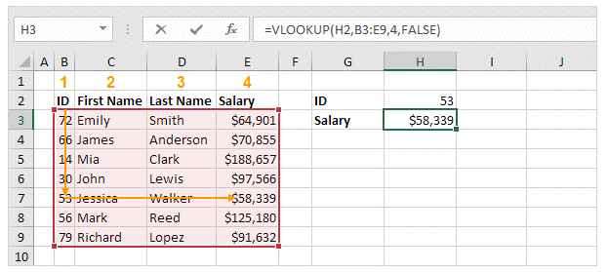

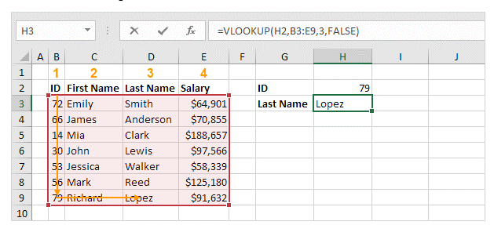
1) Lookup value = 79
Lookup_value specifies the value that we want to look up in the column of a table.(Might be its present in first or any another column)
2) Table_array = B3:E9
The table array is the data array that is to be selected from input column to output column or max column.
3) Col_index_num = 3 (last name)
This is an integer, specifying the output column number from input column.
4) Range_lookup = 0 or FALSE / 1 or TRUE
TRUE – TRUE – Approximate match, that is, if an exact match is not found, use the closest match below the lookup_value.
FALSE – Exact match, that is, if an exact match not found, then it will return an error.
Example -2

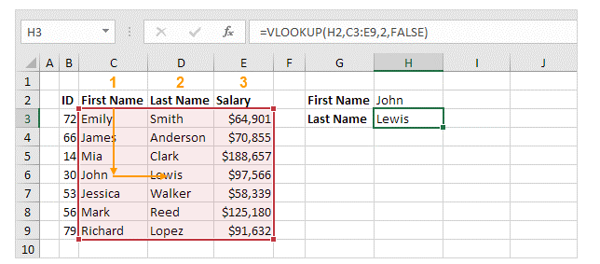
1) Lookup value = First Name
Lookup_value specifies the value that we want to look up in the column of a table.(Might be its present in first or any another column)
2) Table_array = C3:E9
The table array is the data array that is to be selected from input column to output column or max column.
3) Col_index_num = 2 (last name)
This is an integer, specifying the output column number from input column.
4) Range_lookup = 0 or FALSE / 1 or TRUE
TRUE – TRUE – Approximate match, that is, if an exact match is not found, use the closest match below the lookup_value.
FALSE – Exact match, that is, if an exact match not found, then it will return an error.
Example -3

1) Lookup value = Input-FirstName
Lookup_value specifies the value that we want to look up in the column of a table.(Might be its present in first or any another column)
2) Table_array = C3:E9
The table array is the data array that is to be selected from input column to output column or max column.
3) Col_index_num = 3 (Output-Salary)
This is an integer, specifying the output column number from input column.
4) Range_lookup = 0 or FALSE / 1 or TRUE
TRUE – TRUE – Approximate match, that is, if an exact match is not found, use the closest match below the lookup_value.
FALSE – Exact match, that is, if an exact match not found, then it will return an error.
Example -4

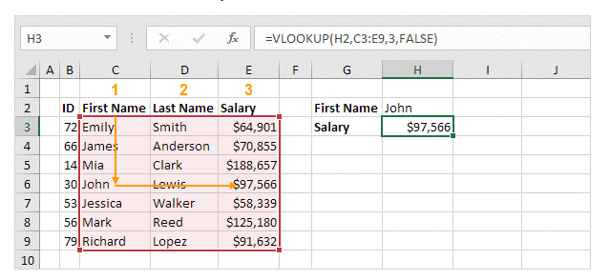

1) Lookup value = Input-FirstName
Lookup_value specifies the value that we want to look up in the column of a table.(Might be its present in first or any another column)
2) Table_array = B3:D9
The table array is the data array that is to be selected from input column to output column or max column.
3) Col_index_num = 3 (Output-Salary)
This is an integer, specifying the output column number from input column.
4) Range_lookup = 0 or FALSE / 1 or TRUE
TRUE – TRUE – Approximate match, that is, if an exact match is not found, use the closest match below the lookup_value.
FALSE – Exact match, that is, if an exact match not found, then it will return an error.
Example -5
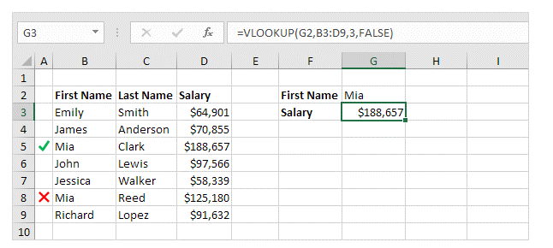

1) Lookup value = Input-FirstName
Lookup_value specifies the value that we want to look up in the column of a table.(Might be its present in first or any another column)
2) Table_array = B3:D9
The table array is the data array that is to be selected from input column to output column or max column.
3) Col_index_num = 3 (Output-Salary)
This is an integer, specifying the output column number from input column.
4) Range_lookup = 0 or FALSE / 1 or TRUE
TRUE – TRUE – Approximate match, that is, if an exact match is not found, use the closest match below the lookup_value.
FALSE – Exact match, that is, if an exact match not found, then it will return an error.
Example -6
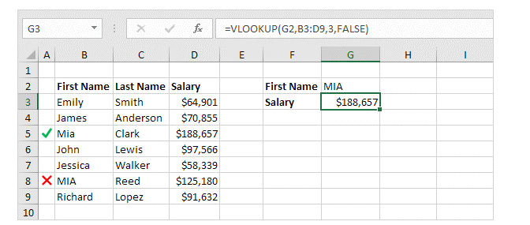

1) Lookup value = Input-ID
Lookup_value specifies the value that we want to look up in the column of a table.(Might be its present in first or any another column)
2) Table_array = B3:E9
The table array is the data array that is to be selected from input column to output column or max column.
3) Col_index_num = 4 (Output-Salary)
This is an integer, specifying the output column number from input column.
4) Range_lookup = 0 or FALSE / 1 or TRUE
TRUE – TRUE – Approximate match, that is, if an exact match is not found, use the closest match below the lookup_value.
FALSE – Exact match, that is, if an exact match not found, then it will return an error.
Example -7
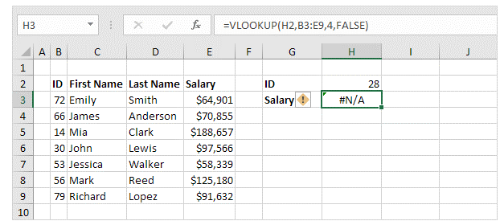

1) Lookup value = Input-ID
Lookup_value specifies the value that we want to look up in the column of a table.(Might be its present in first or any another column)
2) Table_array = B3:E9
The table array is the data array that is to be selected from input column to output column or max column.
3) Col_index_num = 4 (Output-Salary)
This is an integer, specifying the output column number from input column.
4) Range_lookup = 0 or FALSE / 1 or TRUE
TRUE – TRUE – Approximate match, that is, if an exact match is not found, use the closest match below the lookup_value.
FALSE – Exact match, that is, if an exact match not found, then it will return an error.

Example -8

